Possible Errors
Erroneous Calculations
 | 5
Dividing by zero: | #DIV/0!
 | #DIV/0!
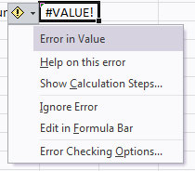
 |  | Exclamation Diamond.
 |  | Green Comment by default.
Bad Reference: | #REF!

This is text: | Text
This is a number: | 12
When the formula tries to add text to a number: | #VALUE!

